Instruction
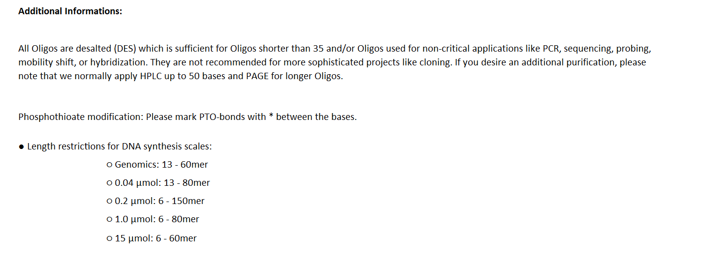
EXCEL ORDER FORM

General Informations :

The minimal number of oligonucleotides delivered in deep well plates is 32.
Four columns are mandatory : Oligo name, Sequence, Purification, Scale (and modifications, if applicable).
Do not use the character (s) ; " , in the Oligo name should not be longer than 35 characters.
Please refer strictly to the abbreviations given in the pull-down menus.

For more info, please visit | https://mediven.com.my/oligonucleotides-services/

